PRINT - Income Statement
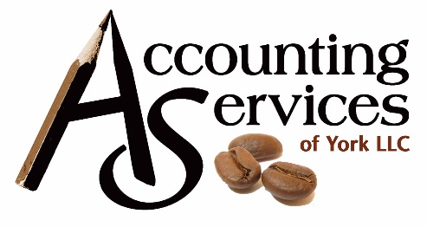
DO NOT TOUCH THIS PAGE!! (except to fill in company & owner name(s))
this page will fill in automatically based on the other pages.
simply print this to bring in for your taxes…

fill in company name here

 |  |  |  |  | For clients of:
INCOME |  |  |  |  | Accounting Services of York, LLC
Service Income | - |  |  |  | 3030 E Market St
Sales Income | - |  |  |  | York, Pa 17402
Total Income | $- |  |  |  | office 717-757-5482
 |  |  |  |  | txt 717.759.4227
COS (Supplies/Materials) | - |  |  |  | taxes@asyork.net
COS (SubContractors)* | -
Total COS | $-

Gross Income | $-

EXPENSES
Advertising | -
Auto | -
Travel | -
Cleaning and maint | -
Commissions | -
Mort insur qualified | -
From Form 1098 import | -
Total mort insur qual | -
Other Insurance | -
Legal & other prof fees | -
Management fees | -
Mortgage int qualified | -
From Form 1098 import | -
Total mort int qualified | -
Mort int other | -
From Form 1098 import | -
Total mort int other | -
Other interest | -
Repairs | -
Supplies | -
Real estate taxes | -
From Form 1098 import | -
Total real estate taxes | -
Other taxes | -
Utilities | -
Depreciation | -
Depletion | -
Depreciation carryover | -
Other expenses | -
Total Expenses | $-

NET INCOME/(LOSS) | $-

Less Mileage | $54.00
Total | (54.00)

*Subcontractors: You need to have a W9 on each of these and a copy of their insurance.
ASY offers 1099 services for your contractors & other W9 vendors, email mandy@asyork.net for info

OTHER

TAXES - Estimated Payments | print Estimated Tax Payments tab

 | ENTER NAMES for each partner/owner
Owner's Equity & Loans | Owner/Partner 1 | owner/partner 2 | owner/partner 3 | owner/partner 4
Owner Distributions / Drawings | $- | $- | $- | $-
owner Contributions | $- | $- | $- | $-
Loans year-end balance | $- | $- | $- | $-

